home
SURVEY
C
LAO
L
R
P&S
HOME


We're moving beyond political polarization.
You're invited.

www.valuerelating.com/beyond-political-polarization



Responding better to what we all need of each other

QAS
SURVEY
C
L
R
P&S
HOME
 |  |  | 0%
Are you next in line to help depolarize America? |  |  | Select from pulldown options.

1 | When it comes to political stuff, I’d say I’m ___________________.

2 | If I had to locate myself along a left-right spectrum, I’d characterize myself as ____________.

3 | I identify as a recognized minority or ally who knows the pain of historical oppression.

4 | I identify as a traditional American yearning to live free from government interference.

5 | Being equally inclusive of all, especially minorities, matters more than freeing each other’s deep potential.

6 | Freeing each other’s deep potential, especially loved ones, matters more than being equally inclusive of all.

7 | There is at least one person in my life with whom I can trust my deepest secrets.

8 | I tend to avoid challenges more than I welcome them.

9 | I view most conservatives ______________________________.

10 | I view most liberals ______________________________.

 | See the results after you complete the survey.

 |  | L
 |  | R
 |  | C

L
SURVEY
C
L
R
P&S
HOME

R
SURVEY
C
L
R
P&S
HOME

C
SURVEY
C
L
R
P&S
HOME

P&S
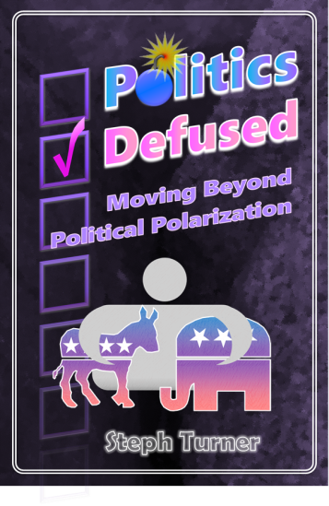
RETURN TO SURVEY
C
L
R
P&S
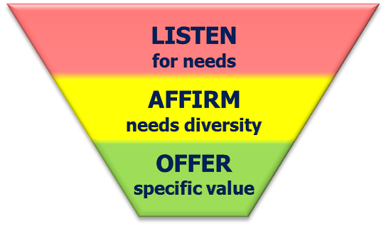

Problem & Solution
Problem-Solution fit
Is political polarization a significant problem in your life?
Does our offered solution inspire you to give us a try?
Product-Market fit
Would you try any of these products?
Would you purchase any of the premium products?

Problem

A problem points to a need resisting a solution.

 | Political polarization will inevitably persist unless we get over a common misconception. We must get over the idea that we choose our political outlook. It is not that simple.
 | Expecting others to change what cannot easily be changed fuels needless conflict. Politics is more than choosing what is in one’s rational self-interest. Is more than manipulation by media. Is more than agreeing with given ideologies. Is more than choosing ideas from parents, peers or other influencers.
 | All of these contain a grain of truth. None of them can fully account for our political convictions. Not one. This “choice” fallacy stems from overlooking an essential ingredient in our political sensibilities:
 | Politics generalize how to agreeably respect one another's needs.
 | 1. Politics serves our needs. Our needs are not all the same. Even our shared needs get relieved in different ways. The more general a political view the less likely it will fit every specific need. No matter what gets chosen.
 | 2. We do not choose our needs. We feel strongly about our politics because we feel deeply about our triggered needs. We cannot easily choose which needs to feel. Or easily change how we feel about them.
 | 3. We change our beliefs hesitantly. Beliefs tied to relieving our needs are naturally resistant to change. Any political views seeming to threaten our trusted means for relief typically trigger our defenses, which can even shut down are objectivity.

Solution

A solution hides as an obstacle until turned into an opportunity.

 | Value Relating counters political polarization by addressing specific needs. We all need to be heard. We all need to be affirmed. We all need to offered responses that are more specific to our actual needs.
 | Value Relating offers a more in-depth assessment for you to apply to your life.
 | Value Relating offers a free one-on-one consulting session to deepen the insights into how this can add value to your life.
 | Value Relating offers a free eBook that introduces you to this pioneering process.
 | Value Relating offers an eBook that delves more deeply into transcending political polarization, called Politics Defused: Moving Beyond Political Polarization.
 | Value Relating offers an eCourse that explores the book’s content in visual detail.
 | Value Relating offers one-on-one sessions to apply this material specifically to your valuable life.
 | Value Relating also offers to speak at events to further what this new understanding can do for you.

Politics Defused

